Final
 | <0 (US$ tCO2-eq-1) | 0-20 (US$ tCO2-eq-1) | 20-50 (US$ tCO2-eq-1) | 50-100 (US$ tCO2-eq-1) | 100-200 (US$ tCO2-eq-1) | No costs could be allocated to this category
 | <0 (US$ tCO2-eq-1) | 0-20 (US$ tCO2-eq-1) | 20-50 (US$ tCO2-eq-1) | 50-100 (US$ tCO2-eq-1) | 100-200 (US$ tCO2-eq-1) | No costs could be allocated to this category | Total | Lower end uncertainty range | High end uncertainty range
ENERGY
Solar | 2.70 | 0.60 | 0.60 | 0.60 |  |  | 4.50 | 2 | 7 | smooth
Wind | 2.31 | 0.77 | 0.77 |  |  |  | 3.85 | 2.1 | 5.6 | smooth
Reduce CH4 from coal, oil and gas | 0.35 | 1.02 | 0.10 | 0.08 | 0.10 |  | 1.65
Bioelectricity (includes BECCS) |  |  |  | 0.58 | 0.58 |  | 1.16
Geothermal and hydropower |  | 0.35 | 0.35 | 0.35 |  |  | 1.06
Nuclear | 0.18 | 0.18 | 0.18 | 0.18 | 0.18 |  | 0.88 | 0.44 | 1.32 | smooth
Fossil Carbon Capture and Storage (CCS) |  |  |  | 0.27 | 0.27 |  | 0.54 | 0.27 | 0.81 | smooth
LAND, WATER, FOOD
Reduce conversion of natural ecosystems |  | 2.28 | 0.12 | 1.63 |  |  | 4.03 | 2.53 | 7.35
Carbon sequestration in agriculture |  | 0.50 | 0.73 | 2.21 |  |  | 3.44 | 1.4 | 5.5
Ecosystem restoration, afforestation, reforestation |  | 0.15 | 0.57 | 1.46 | 0.66 |  | 2.84 | 1.2 | 4.9
Shift to sustainable healthy diets |  |  |  |  |  | 1.7 | 1.7 | 1.0 | 2.7
Forest and fire management |  | 0.38 |  | 0.78 | 0.22 |  | 1.40 | 0.6 | 2.8
Reduce CH4 and N2O in agriculture |  | 0.35 |  | 0.28 |  |  | 0.63 | 0.3 | 1.3
Reduce food loss and food waste |  |  |  |  |  | 0.5 | 0.5 | 0.1 | 0.9
SETTLEMENTS AND INFRASTRUCTURE
Efficient buildings |  | 0.18 | 0.18 | 0.18 | 0.90 |  | 1.44
Fuel efficient vehicles | 0.92 |  |  |  |  |  | 0.92
Electric vehicles |  |  |  |  |  | 0.80 | 0.80
Efficient lighting, appliances and equipment | 0.73 |  |  |  |  |  | 0.73 | 0.54 | 0.91
Public transport and bicycling | 0.72 |  |  |  |  |  | 0.72
Biofuels |  | 0.23 | 0.23 | 0.23 |  |  | 0.70 | 0.35 | 1.05 | smooth
Efficient shipping and aviation | 0.69 |  |  |  |  |  | 0.69
Avoid demand for energy services | 0.56 |  |  |  |  |  | 0.56 | 0.28 | 0.84
Onsite renewables |  | 0.07 | 0.07 | 0.07 | 0.27 |  | 0.47 | 0.35 | 0.70 | smooth
INDUSTRY AND WASTE
Fuel switching |  |  | 1.28 | 0.67 | 0.15 |  | 2.10 | 1.57 | 2.62
Reduce emission of fluorinated gas | 0.26 | 0.68 | 0.18 | 0.09 | 0.03 |  | 1.24 | 0.7 | 1.5
Energy efficiency |  | 1.14 |  |  |  |  | 1.14 | 0.86 | 1.43
Material efficiency |  |  | 0.93 |  |  |  | 0.93 | 0.70 | 1.16
Reduce CH4 from waste/wastewater | 0.35 | 0.14 | 0.10 | 0.07 | 0.15 |  | 0.81
Construction materials substitution |  |  | 0.28 |  |  | 0.38 | 0.66
Enhanced recycling |  |  | 0.48 |  |  |  | 0.48 | 0.36 | 0.60
Carbon capture with |  |  |  |  | 0.15 |  | 0.15 | 0.11 | 0.36

MERGING:
Geothermal and hydropower |  | 0.35 | 0.35 | 0.35 |  |  | 1.06
Geothermal |  | 0.25 | 0.25 | 0.25 |  |  | 0.74 | 0.37 | 1.11 | smooth
Hydropower |  | 0.11 | 0.11 | 0.11 |  |  | 0.32 | 0.16 | 0.48 | smooth

New categories
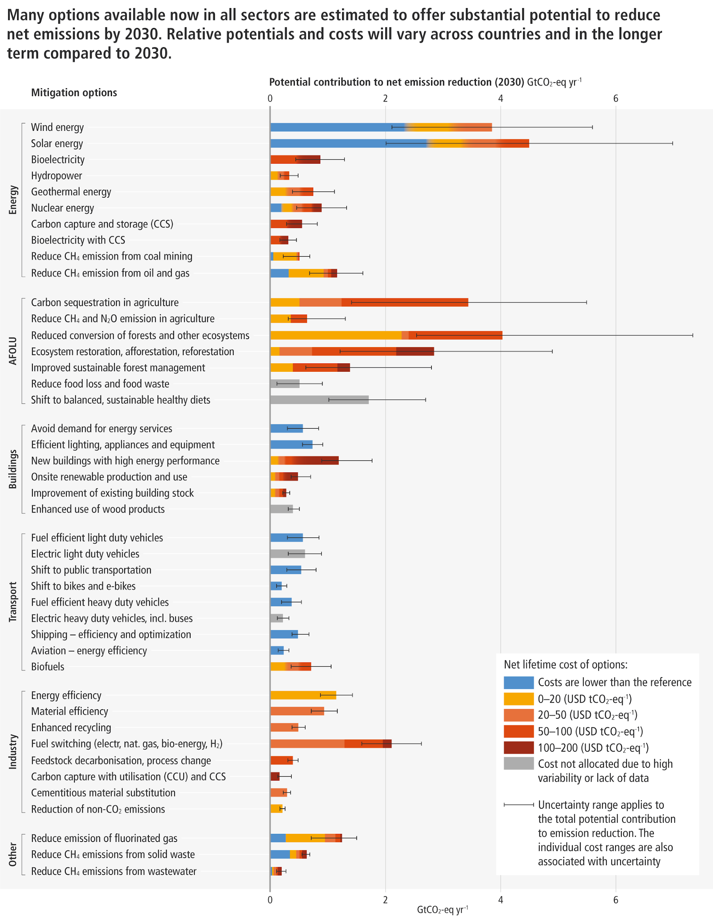
 |  | A. INPUT FOR SPM.7 | <0 (US$ tCO2-eq-1) | 0-20 (US$ tCO2-eq-1) | 20-50 (US$ tCO2-eq-1) | 50-100 (US$ tCO2-eq-1) | 100-200 (US$ tCO2-eq-1) | No costs could be allocated to this category | Total |  | Smooth?
 | components from SPM7 | WGIII SPM7 categories |  |  |  |  |  |  | Lower end uncertainty range | High end uncertainty range
ENERGY |  | Energy sector

wind |  | Wind energy | 2.31 | 0.77 | 0.77 |  |  |  | 3.85 |  | smooth
 |  |  |  |  |  |  |  |  | 2.1 | 5.6
solar |  | Solar energy | 2.7 | 0.6 | 0.6 | 0.6 |  |  | 4.5 |  | smooth
 |  |  |  |  |  |  |  |  | 2 | 7
nuclear |  | Nuclear energy | 0.176 | 0.176 | 0.176 | 0.176 | 0.176 |  | 0.88 |  | smooth
 |  |  |  |  |  |  |  |  | 0.44 | 1.32
bioelectricty | Bioelectricity with CCS | Bioelectricity |  |  |  | 0.43 | 0.43 |  | 0.86 |  | smooth
 | Bioelectricity |  |  |  |  |  |  |  | 0.43 | 1.29
 |  | Hydropower |  | 0.11 | 0.11 | 0.11 |  |  | 0.32 |  | smooth
 | HYDROPOWER IS LEFT OUT!! |  |  |  |  |  |  |  | 0.16 | 0.48
geothermal |  | Geothermal energy |  | 0.25 | 0.25 | 0.25 |  |  | 0.74 |  | smooth
 |  |  |  |  |  |  |  |  | 0.37 | 1.11
CCS |  | Carbon capture and storage |  |  |  | 0.27 | 0.27 |  | 0.54 |  | smooth
 |  |  |  |  |  |  |  |  | 0.27 | 0.81
 |  | Bioelectricity with CCS |  |  |  | 0.15 | 0.15 |  | 0.3 |  | smooth
 |  |  |  |  |  |  |  |  | 0.15 | 0.45
Reduce CH4 from coal, oil and gas | Reduce CH4 emission from coal mining | Reduce CH4 emission from coal mining | 0.04 | 0.41 | 0.03 | 0.02 | 0 |  | 0.5
 | Reduce CH4 emission from oil and gas |  |  |  |  |  |  |  | 0.21 | 0.68
 |  | Reduce CH4 emission from oil and gas | 0.31 | 0.61 | 0.07 | 0.06 | 0.1 |  | 1.15
 |  |  |  |  |  |  |  |  | 0.67 | 1.61
LAND, WATER, FOOD |  | AFOLU
Carbon sequatration in agriculture |  | Carbon sequatration in agriculture |  | 0.5 | 0.73 | 2.21 |  |  | 3.44
 |  |  |  |  |  |  |  |  | 1.4 | 5.5
Reduce CH4 and N2O in agriculture |  | Reduce CH4 and N2O emission in agriculture |  | 0.35 |  | 0.28 |  |  | 0.63
 |  |  |  |  |  |  |  |  | 0.3 | 1.3
Reduce conversion of natural ecosystems |  | Reduce conversion of natural ecosystems |  | 2.28 | 0.12 | 1.63 |  |  | 4.03
 |  |  |  |  |  |  |  |  | 2.53 | 7.35
Restoration, afforestation, reforestation |  | Restoration, afforestation, reforestation |  | 0.15 | 0.57 | 1.46 | 0.66 |  | 2.84
 |  |  |  |  |  |  |  |  | 1.2 | 4.9
Forest and fire management |  | Forest management, fire management |  | 0.38 |  | 0.78 | 0.22 |  | 1.4
 |  |  |  |  |  |  |  |  | 0.6 | 2.8
Diets and food waste | Reduce food loss and food waste | Reduce food loss and food waste |  |  |  |  |  | 0.5 | 0.5
 | Shift to sustainable healthy diets |  |  |  |  |  |  |  | 0.1 | 0.9
 |  | Shift to sustainable healthy diets |  |  |  |  |  | 1.7 | 1.7
 |  |  |  |  |  |  |  |  | 1.0 | 2.7
SETTLEMENTS AND INFRASTRUCTURE |  | Buildings

Demand reduction and efficiency | Avoid demand for energy services | Avoid demand for energy services | 0.56 |  |  |  |  |  | 0.56
 | Efficient lighting, appliances and equipment |  |  |  |  |  |  |  | 0.28 | 0.84
 |  | Efficient lighting, appliances and equipment | 0.73 |  |  |  |  |  | 0.73
 |  |  |  |  |  |  |  |  | 0.54 | 0.91
Efficient buildings | New buildings with high energy performance | New buildings with high energy performance |  | 0.12 | 0.12 | 0.12 | 0.83 |  | 1.18 |  | smooth
 | Improvement of existing building stock |  |  |  |  |  |  |  | 0.88 | 1.77
Onsite renewables |  | Onsite renewable production and use |  | 0.07 | 0.07 | 0.07 | 0.27 |  | 0.47 |  | smooth
 |  |  |  |  |  |  |  |  | 0.35 | 0.70
 |  | Improvement of existing building stock |  | 0.07 | 0.07 | 0.07 | 0.07 |  | 0.27 |  | smooth
 |  |  |  |  |  |  |  |  | 0.20 | 0.34
 |  | Enhanced use of wood products |  |  |  |  |  | 0.38 | 0.38
 |  |  |  |  |  |  |  |  | 0.3 | 0.5
 |  | Transport
Fuel efficient vehicles | Fuel efficient light duty vehicles | Fuel efficient light duty vehicles | 0.56 |  |  |  |  |  | 0.56
 | Fuel efficient heavy duty vehicles |  |  |  |  |  |  |  | 0.28 | 0.84
Electric vehicles | Electric light duty vehicles | Electric light duty vehicles |  |  |  |  |  | 0.59 | 0.59
 | Electric heavy duty vehicles |  |  |  |  |  |  |  | 0.30 | 0.89
Public and active transport | Shift to public transportation | Shift to public transportation | 0.53 |  |  |  |  |  | 0.53
 | Shift to bikes and e-bikes |  |  |  |  |  |  |  | 0.27 | 0.80
 |  | Shift to bikes and e-bikes | 0.19 |  |  |  |  |  | 0.19
 |  |  |  |  |  |  |  |  | 0.10 | 0.29
 |  | Fuel efficient heavy duty vehicles | 0.36 |  |  |  |  |  | 0.36
 |  |  |  |  |  |  |  |  | 0.18 | 0.54
 |  | Electric heavy duty vehicles |  |  |  |  |  | 0.21 | 0.21
 |  |  |  |  |  |  |  |  | 0.11 | 0.32
Efficient and optimised shipping | Shipping-efficiency and optimization | Shipping-efficiency and optimization | 0.47 |  |  |  |  |  | 0.47
 |  |  |  |  |  |  |  |  | 0.36 | 0.67
 | AVIATION LEFT OUT | Aviation- energy efficiency | 0.22 |  |  |  |  |  | 0.22
 |  |  |  |  |  |  |  |  | 0.12 | 0.32
Biofuels |  | Biofuels |  | 0.23 | 0.23 | 0.23 |  |  | 0.7 |  | smooth
 |  |  |  |  |  |  |  |  | 0.35 | 1.05
INDUSTRY AND WASTE |  | Industry
Energy efficiency |  | Energy efficiency |  | 1.14 |  |  |  |  | 1.14
 |  |  |  |  |  |  |  |  | 0.86 | 1.43
Material efficiency |  | Material efficiency |  |  | 0.93 |  |  |  | 0.93
 |  |  |  |  |  |  |  |  | 0.70 | 1.16
Enhanced recycling |  | Enhanced recycling |  |  | 0.48 |  |  |  | 0.48
 |  |  |  |  |  |  |  |  | 0.36 | 0.60
Fuel switching |  | Fuel switching (electr, nat. gas, bio-energy, H2) |  |  | 1.28 | 0.67 | 0.15 |  | 2.10
 |  |  |  |  |  |  |  |  | 1.57 | 2.62
 | FEEDSTOCKS LEFT OUT!! | Feedstock decarbonisation, process change |  |  |  | 0.38 |  |  | 0.38
 |  |  |  |  |  |  |  |  | 0.29 | 0.48
CCUS |  | Carbon capture with utilization and storage |  |  |  |  | 0.15 |  | 0.15
 |  |  |  |  |  |  |  |  | 0.11 | 0.36
material substitution, bio-based materials | Cementious material substitution | Cementious material substitution |  |  | 0.28 |  |  |  | 0.28
 | Enhanced use of wood products |  |  |  |  |  |  |  | 0.21 | 0.35
 |  | Reduction of non-CO2 emissions |  | 0.20 |  |  |  |  | 0.20
 | non-CO2 left out!! |  |  |  |  |  |  |  | 0.15 | 0.25
 |  | Other
Reduce fluorinated gas |  | Reduce emission of fluorinated gas | 0.26 | 0.68 | 0.18 | 0.09 | 0.03 |  | 1.24
 |  |  |  |  |  |  |  |  | 0.7 | 1.5
Reduce Ch4 from waste | Reduce CH4 emission from solid waste | Reduce CH4 emission from solid waste | 0.33 | 0.11 | 0.06 | 0.04 | 0.08 |  | 0.63
 | Reduce CH4 emission from wastewater |  |  |  |  |  |  |  | 0.54 | 0.68
 |  | Reduce CH4 emission from wastewater | 0.02 | 0.03 | 0.04 | 0.03 | 0.07 |  | 0.12
 |  |  |  |  |  |  |  |  | 0.09 | 0.27

